Script
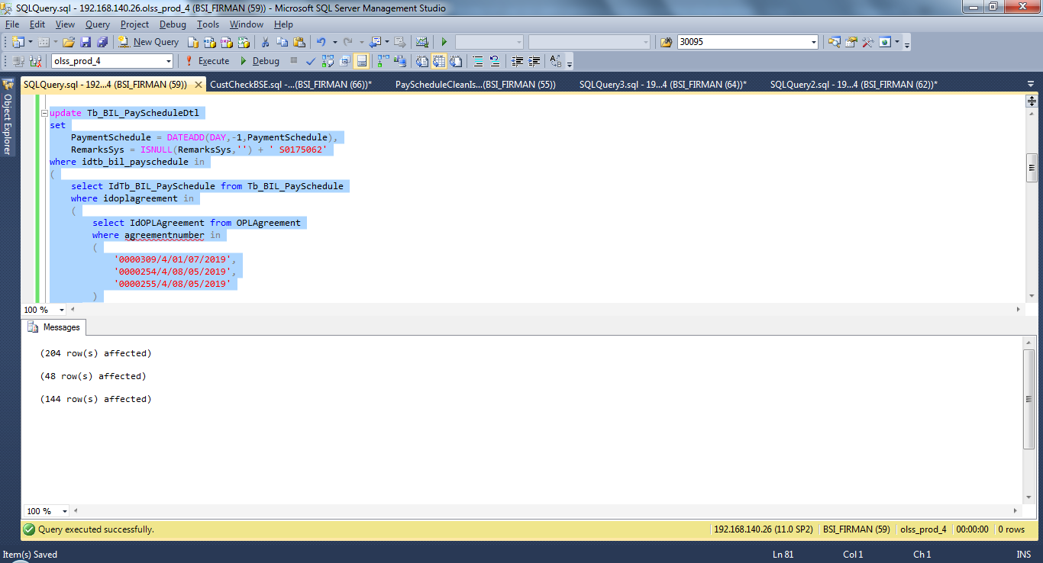
update Tb_BIL_PayScheduleDtl
set
 | PaymentSchedule = DATEADD(DAY,-1,PaymentSchedule),
 | RemarksSys = ISNULL(RemarksSys,'') + ' S0175062'
where idtb_bil_payschedule in
(
 | select IdTb_BIL_PaySchedule from Tb_BIL_PaySchedule
 | where idoplagreement in
 | (
 |  | select IdOPLAgreement from OPLAgreement
 |  | where agreementnumber in
 |  | (
 |  |  | '0000309/4/01/07/2019',
 |  |  | '0000254/4/08/05/2019',
 |  |  | '0000255/4/08/05/2019'
 |  | )
 | )
)

update Tb_BIL_PayScheduleDtl
set
 | BillingAmt = 14850000,
 | ExpectationCollectionAmount = (14850000+(0.1*14850000))-(0.02*14850000),
 | VATAmt = 0.1*14850000,
 | IsPPh = 1,
 | PPHAmt = 0.02*14850000,
 | RemarksSys = ISNULL(RemarksSys,'') + ' S0175062'
where idtb_bil_payschedule in
(
 | select IdTb_BIL_PaySchedule from Tb_BIL_PaySchedule
 | where idoplagreement in
 | (
 |  | select IdOPLAgreement from OPLAgreement
 |  | where agreementnumber in
 |  | (
 |  |  | '0000254/4/08/05/2019'
 |  | )
 | )
)

update Tb_BIL_PayScheduleDtl
set
 | BillingAmt = 25100000,
 | ExpectationCollectionAmount = (25100000+(0.1*25100000))-(0.02*25100000),
 | VATAmt = 0.1*25100000,
 | IsPPh = 1,
 | PPHAmt = 0.02*25100000,
 | RemarksSys = ISNULL(RemarksSys,'') + ' S0175062'
where idtb_bil_payschedule in
(
 | select IdTb_BIL_PaySchedule from Tb_BIL_PaySchedule
 | where idoplagreement in
 | (
 |  | select IdOPLAgreement from OPLAgreement
 |  | where agreementnumber in
 |  | (
 |  |  | '0000255/4/08/05/2019'
 |  | )
 | )
)

Screenshot
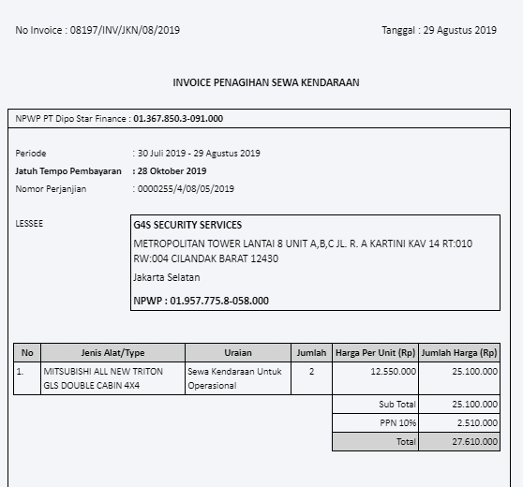
BEFORE

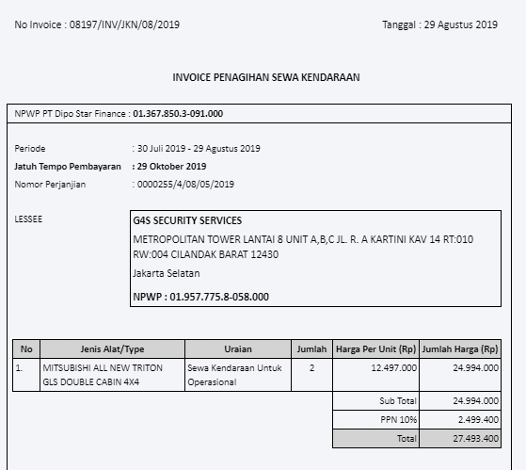

AFTER

